1. Title Page
[Instacart Grocery Basket Analysis]

Project Name: Instacart Grocery Analysis
Date: 03/14/2023
Analyst Name: Jeff Liv

Contents:
Population Flow
Consistency checks
Wrangling steps
Column derivations
Visualizations
Recommendations

2. Population Flow
Title page

Population flow

Exclusion flag
Condition: max_order <
Obervations to be removed:
Final total count of order_products_all:

Orders_products_combined
Orders_products_merged
cop_merged

Total: 32,404,859
Total: 32,434,489
Total: 32,404,859

1.) The grey boxes in the first row of the population flow represent the original data sets as they were when you downloaded them. In the Total fields you need to add the count of the rows when you imported the data set into Jupyter.
2.) The second row of boxes (coloured) represents the data sets after you manipulated them, e.g., removed missing values and duplicates. In the Total fields you need to add the count of the rows after conducting these operations. This offers a visual oveview of how the data flows throughout the data consistency checks.
3.) The third row, where also the arrows are coloured, represents the merges you performed between the datasets. In the Total fields you need to add the count of the rows in the merged datasets, so that you end up with the final dataset (in the red box). Keep in mind the final dataset should be without exclusions (based on the exclusion flag).

3. Consistency checks
 |  |  |  | Title page
Consistency checks

Dataset | Missing values | Missing values treatment | Duplicates
orders | 206209 missing values for Days Since Prior Order | Kept as is, value could be indicative of customer having first time order. | No Duplicates
products | 16 Products with missing names. |  | Five duplicates were removed.

4. Wrangling steps
 |  |  |  | Title page
Wrangling steps

Columns dropped | Columns renamed | Columns' type changed | Comment/Reason
eval_set |  |  | Served no purpose for dataset.
 | order_dow |  | clarified into order_days_of_week.
 |  | order_id | changed to string.
 | First Name |  | renamed to normalize column names to lowercase and _ to replace spaces.
 | Surnam
 | Gender
 | STATE
 | Age
 | Customer_frequency
Unnamed: 0.1 |  |  | Dropped columns as they were repetitive with another column.
Unnamed 0_x
_merge
indicator2
Unnamed: 0_y
busiest_day
first_name |  |  | Dropped columns to meet with PII standards.
last_name

5. Column derivations
 |  |  |  | Title page

Column derivations and aggregations

In this tab you should add tables below that the frequences of flags/label variables that you produced after deriving them. NB: don't do this for continuous variables, only for flags.
Dataset | New column | Column/s it was derived from | Conditions
cop_merged | price_range_loc | Prices | cop_merged.loc[cop_merged['prices'] > 15, 'price_range_loc'] = 'High-range product' cop_merged.loc[(cop_merged['prices'] <= 15) & (cop_merged['prices'] > 5), 'price_range_loc'] = 'Mid-range product' cop_merged.loc[cop_merged['prices'] <= 5, 'price_range_loc'] = 'Low-range product'
nf_cop_merged | Region | State | nf_cop_merged.loc[nf_cop_merged['state'].isin(['Wisconsin', 'Michigan', 'Illinois', 'Indiana', 'Ohio', 'North Dakota', 'South Dakota', 'Nebraska', 'Kansas', 'Minnesota', 'Iowa', 'Missouri']), 'region'] = 'Midwest' nf_cop_merged.loc[nf_cop_merged['state'].isin(['Maine', 'New Hampshire', 'Vermont', 'Massachusetts', 'Rhode Island', 'Connecticut', 'New York', 'Pennsylvania', 'New Jersey']), 'region'] = 'Northeast' nf_cop_merged.loc[nf_cop_merged['state'].isin(['Idaho', 'Montana', 'Wyoming', 'Nevada', 'Utah', 'Colorado', 'Arizona', 'New Mexico', 'Alaska', 'Washington', 'Oregon', 'California', 'Hawaii']), 'region'] = 'West' nf_cop_merged.loc[nf_cop_merged['state'].isin(['Delaware', 'Maryland', 'District of Columbia', 'Virginia', 'West Virginia', 'North Carolina', 'South Carolina', 'Georgia', 'Florida', 'Kentucky', 'Tennessee', 'Mississippi', 'Alabama', 'Oklahoma', 'Texas', 'Arkansas', 'Louisiana']), 'region'] = 'South'
nf_cop_merged | Low Exclusion Flag | Max orders | # Creating a low exclusion flag of true/false based on max order being lower than 5. nf_cop_merged['low_exclusion_flag'] = nf_cop_merged['max_order'] < 5
nf_cop_merged | Cust Profile | Income & Age | cust_pro.loc[(cust_pro['age'] >= 18) & (cust_pro['age'] <= 30) & (cust_pro['income'] <= 58000), 'cust_profile'] = 'Lower Income Young Adult' cust_pro.loc[(cust_pro['age'] >= 31) & (cust_pro['age'] <= 60) & (cust_pro['income'] <= 58000), 'cust_profile'] = 'Lower Income Adult' cust_pro.loc[(cust_pro['age'] >= 61) & (cust_pro['income'] <= 58000), 'cust_profile'] = 'Lower Income Senior' cust_pro.loc[(cust_pro['age'] >= 18) & (cust_pro['age'] <= 30) & (cust_pro['income'] >= 58000) & (cust_pro['income'] <= 153000), 'cust_profile'] = 'Middle Income Young Adult' cust_pro.loc[(cust_pro['age'] >= 31) & (cust_pro['age'] <= 60) & (cust_pro['income'] >= 58000) & (cust_pro['income'] <= 153000), 'cust_profile'] = 'Middle Income Adult' cust_pro.loc[(cust_pro['age'] >= 61) & (cust_pro['income'] >= 58000) & (cust_pro['income'] <= 153000), 'cust_profile'] = 'Middle Income Senior' cust_pro.loc[(cust_pro['age'] >= 18) & (cust_pro['age'] <= 30) & (cust_pro['income'] > 153000), 'cust_profile'] = 'Upper Income Young Adult' cust_pro.loc[(cust_pro['age'] >= 31) & (cust_pro['age'] <= 60) & (cust_pro['income'] > 153000), 'cust_profile'] = 'Upper Income Adult' cust_pro.loc[(cust_pro['age'] >= 61) & (cust_pro['income'] > 153000), 'cust_profile'] = 'Upper Income Senior'
nf_cop_merged | Dependant Flag | n_dependants | cust_pro.loc[cust_pro['n_dependants'] > 0, 'dependant_flag'] = 'with dependants' cust_pro.loc[cust_pro['n_dependants'] <= 0, 'dependant_flag'] = 'without dependants'
order_products_merged | loyalty_flag | Max Orders | df_op_merged.loc[df_op_merged['max_order'] > 40, 'loyalty_flag'] = 'Loyal Customer' df_op_merged.loc[(df_op_merged['max_order'] <= 40) & (df_op_merged['max_order'] > 10), 'loyalty_flag'] = 'Regular Customer' df_op_merged.loc[df_op_merged['max_order'] <= 10, 'loyalty_flag'] = 'New Customer'
order_products_merged | spender_flag | mean_product_price | df_op_merged.loc[df_op_merged['mean_product_price'] <10, 'spender_flag'] = 'Low' df_op_merged.loc[df_op_merged['mean_product_price'] >= 10, 'spender_flag'] = 'High'
order_products_merged | frequency_flag | Customer_Frequency | df_op_merged.loc[df_op_merged['Customer_frequency'] <= 10, 'frequency_flag'] = 'Frequent' df_op_merged.loc[(df_op_merged['Customer_frequency'] > 10) & (df_op_merged['Customer_frequency'] <= 20), 'frequency_flag'] = 'Regular' df_op_merged.loc[df_op_merged['Customer_frequency'] > 20, 'frequency_flag'] = 'Non-Frequent'

6. Visualizations
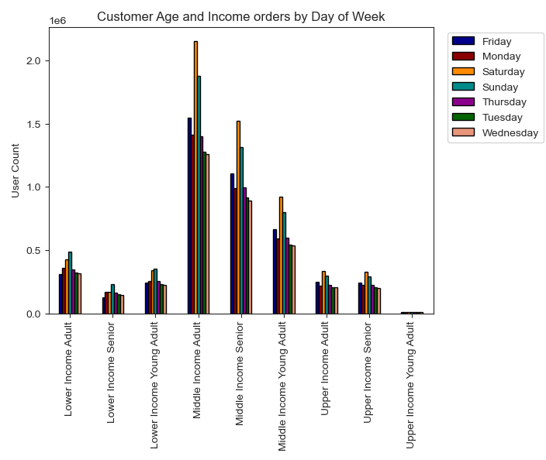
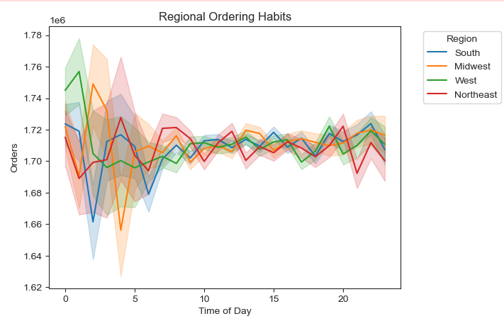
 |  | Title page

Visualisations

In this tab you should include all the visualtions from Exercises 4.9 and 4.10, alongside the questions from the project brief that they answer. Include any commentary on the relationship between different variables.

The sales team needs to know what the busiest days of the week and hours of the day are (i.e., the days and times with the most orders) in order to schedule ads at times when there are fewer orders.

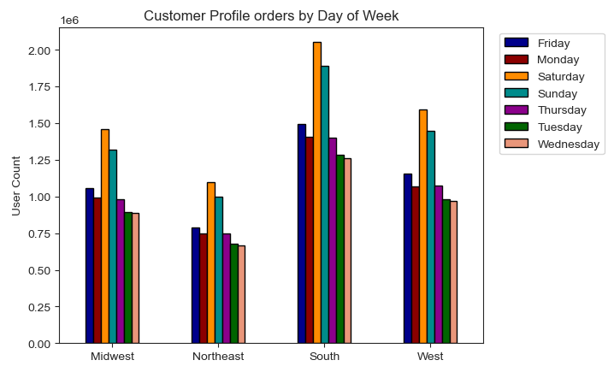
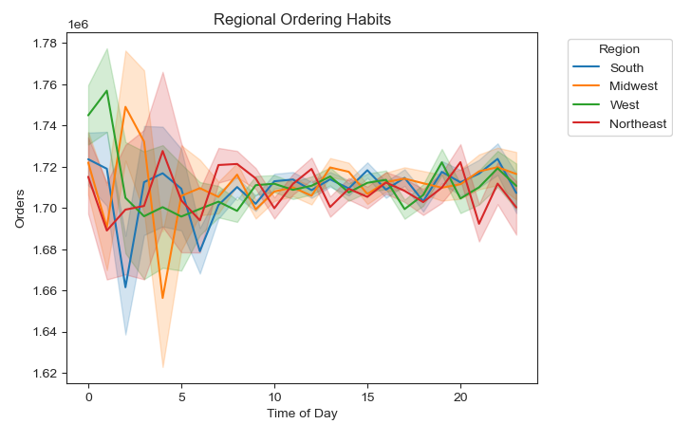
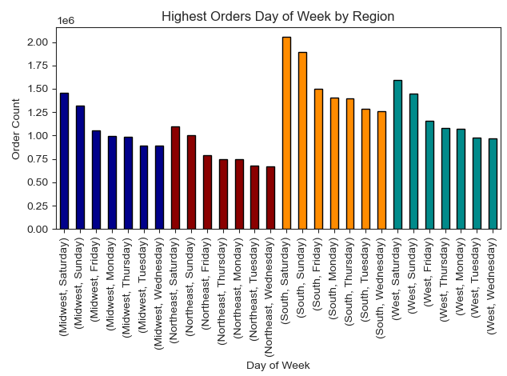

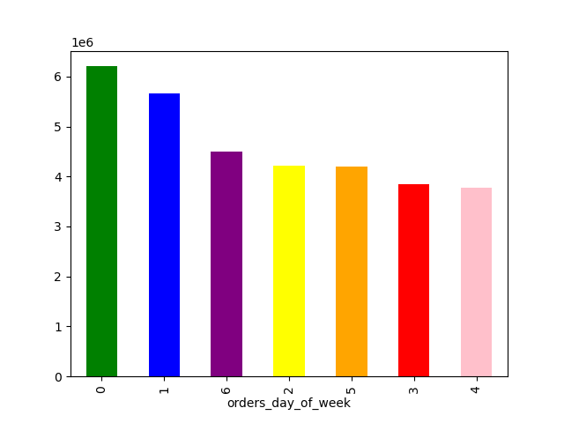



They also want to know whether there are particular times of the day when people spend the most money, as this might inform the type of products they advertise at these times.

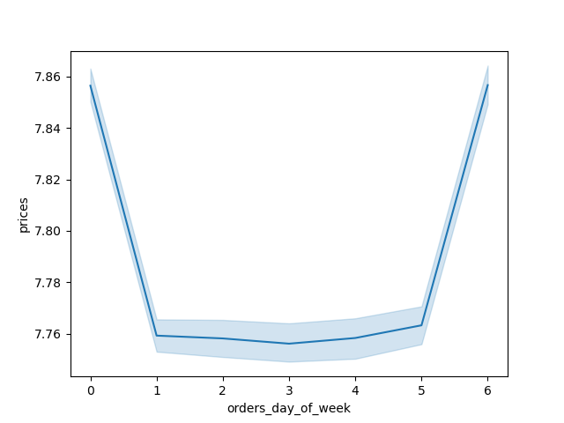


Instacart has a lot of products with different price tags. Marketing and sales want to use simpler price range groupings to help direct their efforts.

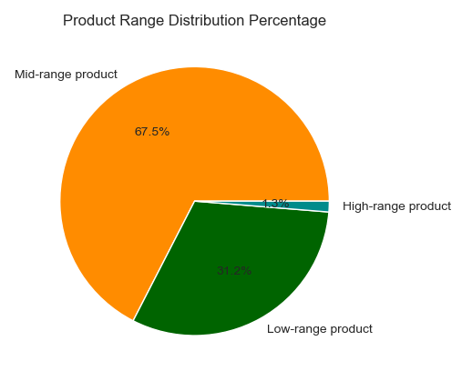

Are there certain types of products that are more popular than others? The marketing and sales teams want to know which departments have the highest frequency of product orders.

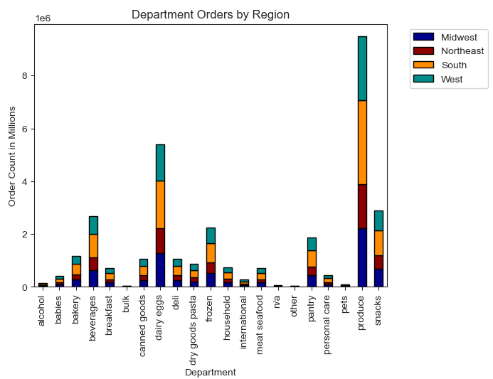

What’s the distribution among users in regards to their brand loyalty (i.e., how often do they return to Instacart)?

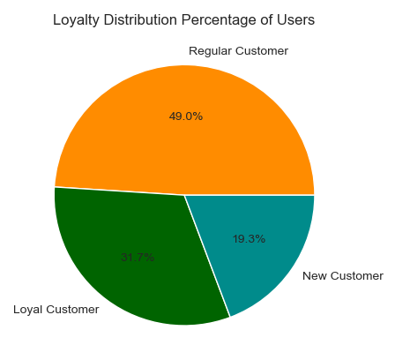

Are there differences in ordering habits based on a customer’s loyalty status?

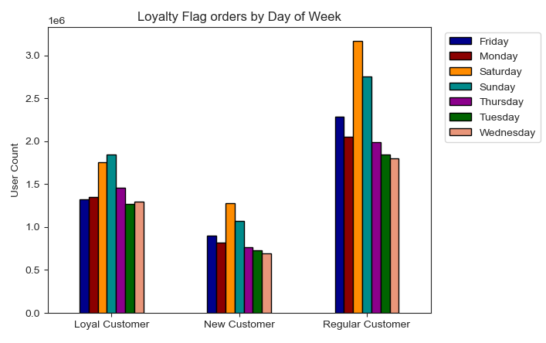

Are there differences in ordering habits based on a customer’s region?

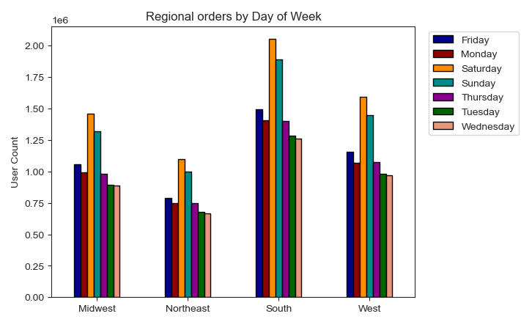

Is there a connection between age and family status in terms of ordering habits?
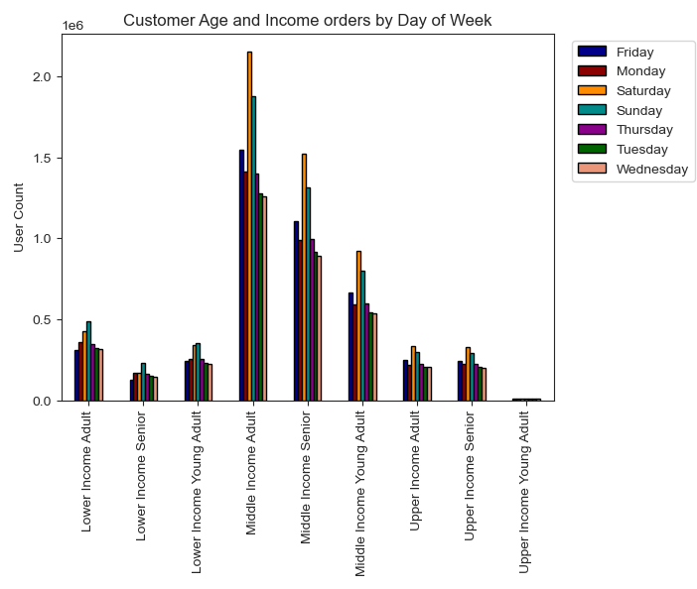
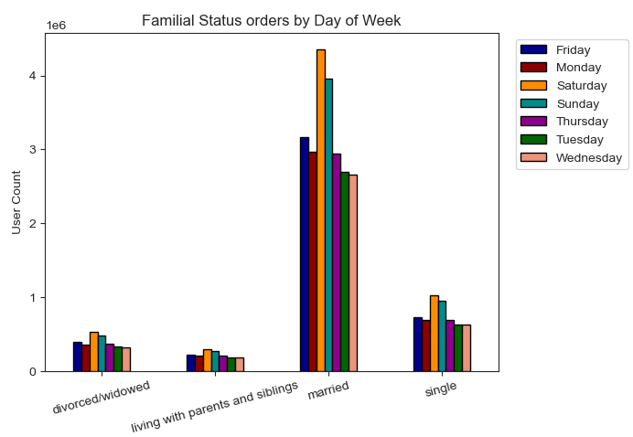
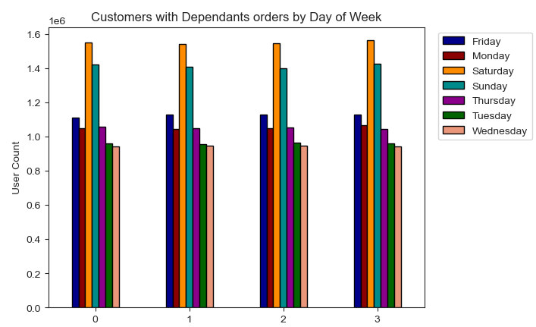

 | What different classifications does the demographic information suggest? Age? Income? Certain types of goods? Family status?
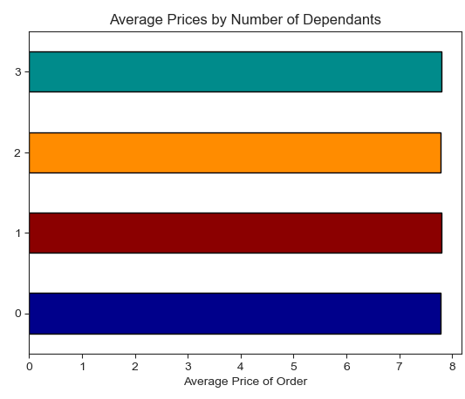
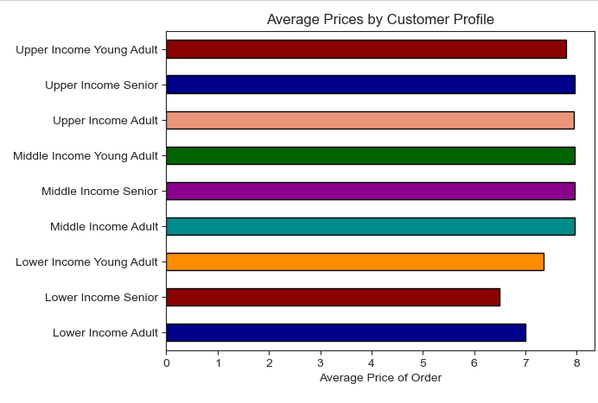
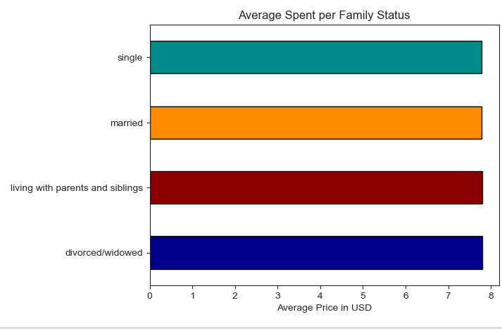

What differences can you find in ordering habits of different customer profiles? Consider the price of orders, the frequency of orders, the products customers are ordering, and anything else you can think of.

7. Recommendations
 |  |  | Title page

Recommendations

In this tab you should include any recommendations you would made to Instcart in terms of their marketing strategy based on the questions posed in the brief. Every key question has been covered in the Tasks of the Exercises - here you need to add an item - a visualisation or table/crosstable that is showing the answer in the data, acompanied by a comment from you. Please, list the questions below and add the answer underneath.

Question | Answer
The sales team needs to know what the busiest days of the week and hours of the day are (i.e., the days and times with the most orders) in order to schedule ads at times when there are fewer orders. | The busiest days of the week for orders are as follows: Saturday, Sunday, Friday, Monday, Thursday, Tuesday, and Wednesday. The busiest hours of the days are going to be from 9 AM to 4 PM. It would be best to run ads on the last three days of the slowest days, which is Thursday, Tuesday and Wednesday. |  |  |  |  |  | To View these visualizations at the regular size, please click here.
They also want to know whether there are particular times of the day when people spend the most money, as this might inform the type of products they advertise at these times. | Customers spend the most money on days 0 (Saturday) and 6 (Friday). With items being ordered at higher prices during late to early hours from 9 PM to 5 AM. Ads should be ran typically from 6 AM to 8 PM regarding the most popular items or departments that are currently being ordered. |  |  |  |  |  | To View these visualizations at the regular size, please click here.
Instacart has a lot of products with different price tags. Marketing and sales want to use simpler price range groupings to help direct their efforts. | One option that could be considered is using a flag for each product based off the price tag. In this case, we've set a flag that encompasses items that are 0 to 5 as Low Range Products, 5 to 15 as Mid Range Products and anything higher than 15 as High Range Products. We can accurately see the distribution of producs within these flags, seeing that 31% of items in instacarts products are low range, 67% of items are midrange products and 1.3% are high range products. |  |  |  |  |  | To View these visualizations at the regular size, please click here.
Are there certain types of products that are more popular than others? The marketing and sales teams want to know which departments have the highest frequency of product orders. | The departments with the highest orders are: Produce, Dairy, Snacks, Beverages, and Frozen. These departments have the highest count in orders compared to other items. If Instacart wishes to push other departments, they should display ads for others. |  |  |  |  |  | To View these visualizations at the regular size, please click here.
What’s the distribution among users in regards to their brand loyalty (i.e., how often do they return to Instacart)? | Instacart has 3 categories of loyalty distribution, New customers with less than 5 orders make up 19.3%. Regular customers, who have orders between 5 and 10 make up 49%, and Loyal customers who have more than 10 orders which makes up 31.7%. |  |  |  |  |  | To View these visualizations at the regular size, please click here.
Are there differences in ordering habits based on a customer’s loyalty status? | When viewing purchases of items by region or items by loyalty flag, we can actually see that they're pretty similar. Mid-Range Product seem to be generally the most popular when compared to each region and loyalty flag, with low range products also being second. As for Orders placed during days of the week, we do see that regular customers typically order more on Saturday, Sunday and Friday. Loyal customers order more frequently on Sunday, Satyurday and Thursday. New customers order more frequently on Saturday, Sunday and Friday. |  |  |  |  |  | To View these visualizations at the regular size, please click here.
Are there differences in ordering habits based on a customer’s region? | All four regions seem to have similar ordering habits on each day. Regions place orders greatly on the following three days: Saturday, Sunday then Friday. Instacart should push ads for the other following days to increase traffic for more orders. |  |  |  |  |  | To View these visualizations at the regular size, please click here.
Is there aconnection between age and family status in terms of ordering habits? | Upon looking at Customer Age and Income and orders by Day of Week, we can see that both the middle income groups and upper income groups appear to be pretty similar. The lower income group, however, has a higher order rate for Sundays instead of Saturday for the other two income groups. As we look a tthe familial status, we see that it's actually about the same. Saturday is the highest ordered day followed by Sunday and Friday. |  | 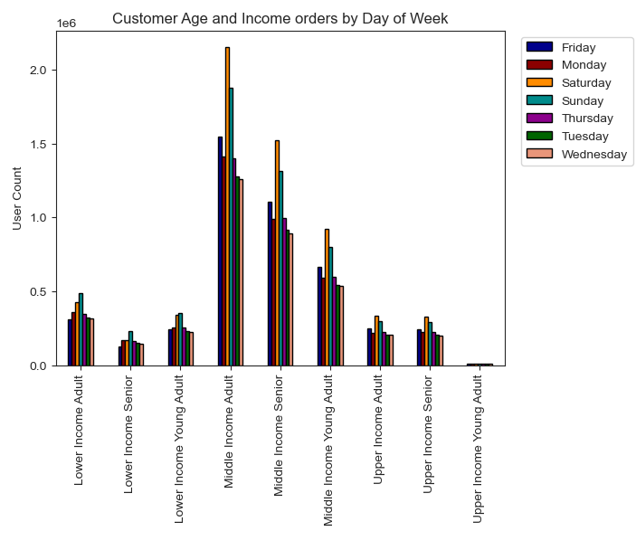 | 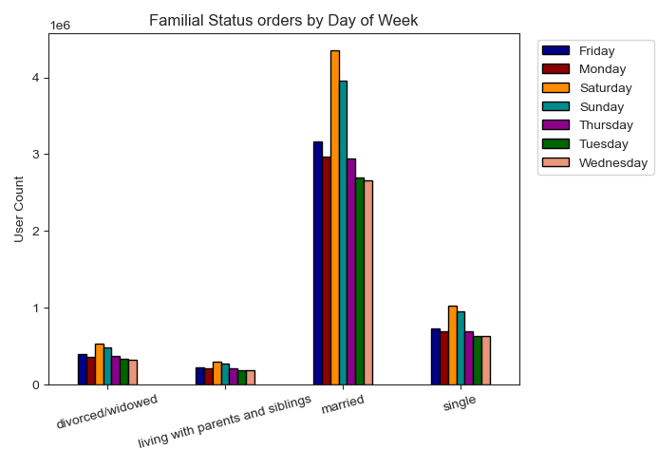 |  | 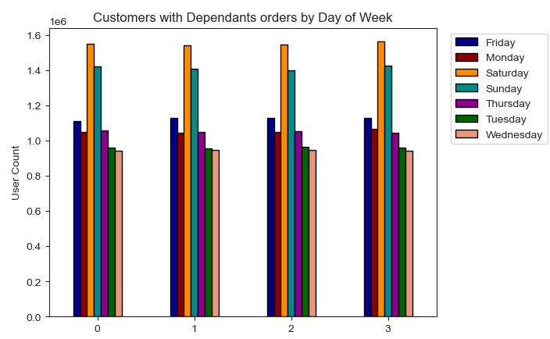 | To View these visualizations at the regular size, please click here.
What different classifications does the demographic information suggest? Age? Income? Certain types of goods? Family status? | If we look at average prices spent based off Family Status, Number of Dependants and Age & Income, we can acctually see that all are very close to seven dollars. In this case, no matter the martial status, number of dependants or income group, they are primarily similar in how much they spend. |  |  |  |  |  | To View these visualizations at the regular size, please click here.
What differences can you find in ordering habits of different customer profiles? Consider the price of orders, the frequency of orders, the products customers are ordering, and anything else you can think of. | One of the biggest differences we can see is that the lower income age groups have a different higher traffic order days then the other groups. Another thing we see is that the lower income groups also have a lower average price spent per order. Based on customer location, we can see that from Midnight to 10 AM each region fluctuates in orders. Orders become pretty consistent from 10 AM after, so pushing marketing during the earlier hours should help balance out orders as well. |  |  |  |  |  | To View these visualizations at the regular size, please click here.

